LIST FOR GEORGIA
No | NAME | QTY | USD PRICE | TOTAL PRICE | PRODUCTION | PICTURE | QTY, VOLUME AND WEIGHT PER BOX |  |  | GRAND TOTAL |  |  | NOTICE
 |  |  |  |  | TIME (DAYS) |  | QTY | VOLUME | WEIGTH | BOXES | VOLUME | WEIGHT
 | 品名 | 数量 | 美元单价 | 美元总价 | 家货期 | 图片 | 件数 | 体积 | 毛重 | 总件数 | 总体积 | 总重量
2 | MEDICAL PROTECTIVE COVERALL BH500 防护服BH500 | 100000 | $11.30 | $1,130,000.00 | 9 DAYS | 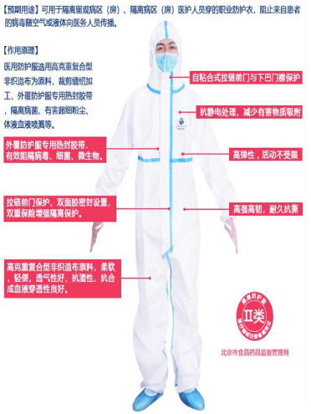 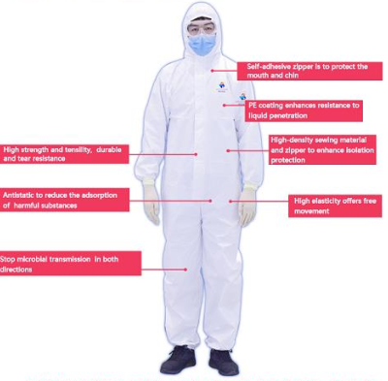 | 25 PCS/BOX | 0.0896 | 8.32 | 4000 | 358.4 | 33280 | TYPE 5 AND TYPE 6 PROTECTION
3 | MEDICAL PROTECTIVE GOGGLES 护目镜 | 50000 | $3.05 | $152,500.00 | 9 DAYS |  | 200 PCS/BOX | 0.1258 | 17.5 | 250 | 31.45 | 4375
5 | SHOE COVERS FOR PROTECTIVE SUITS 一次性高级鞋套 | 100000 | $1.88 | $188,000.00 | 9 DAYS |  | 50 PCS/BOX | 0.0246 | 2.1 | 2000 | 49.2 | 4200
11 | DISPOSABLE MEDICAL LATEX GLOVES (WITH POWDER)一次性医用乳胶手套（有粉） | 100000 | $0.08 | $8,000.00 | 7 DAYS |  | 1000 PCS/BOX | 0.0216 | 8.1 | 100 | 2.16 | 810
12 | DIGITAL THERMOMETERS 额温枪 | 300 | $31.64 | $9,492.00 | 7 DAYS |  | 50 PCS/BOX | 0.0685 | 9 | 6 | 0.411 | 54
13 | SURGICAL GOWNS 手术衣无菌的 | 100000 | $5.58 | $558,000.00 | 18 DAYS |  | 100 PCS/BOX | 0.421 | 18.2 | 1000 | 421 | 18200 | ხვალ დაზუსტდება რა რაოდენობის ხალათების დამზადებას შეძლებენ 23 აპრილის ჩარტერისთვის
 |  |  |  | $2,045,992.00 |  |  |  |  |  | 7356 BOXES | 863 CBM | 60919 KGS

